Sheet1
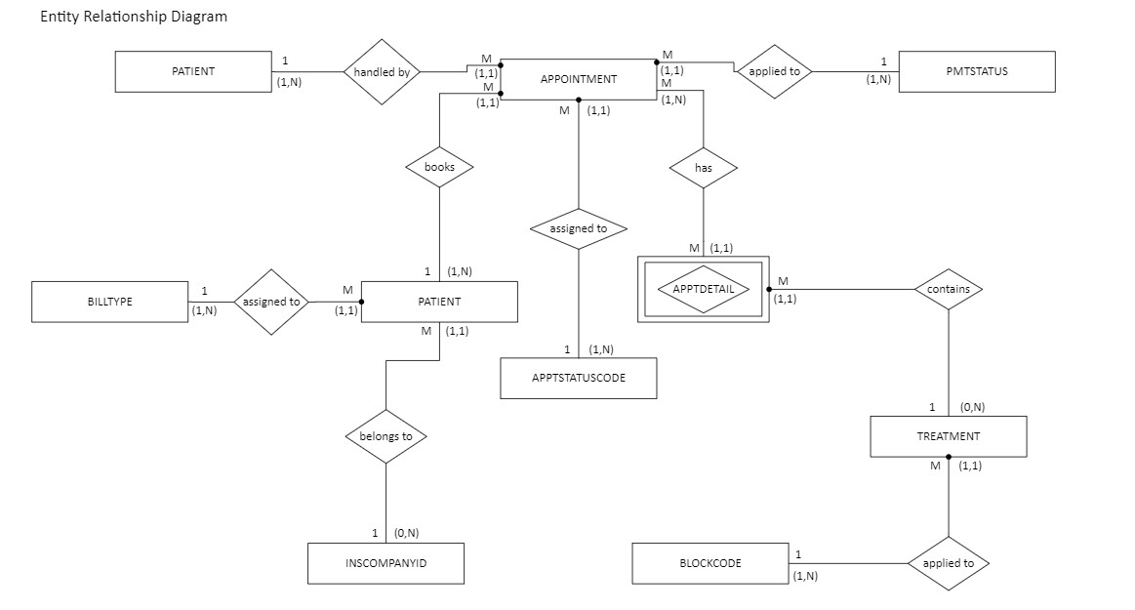
1a & 1b.
APPTDETAIL
Appt ID | Appt Date | Appt Time | Treatment Code | Treatment Desc | Treatment Rate | Block Code | Block Desc | Block Minutes | Patient ID | Patient Fname | Patient LName | Patient Phone | Billing Type | Billing Type Desc | Ins Co ID | Ins Co Name | Prov ID | Prov Fname | Prov LName | Appt Status Code | Appt Status Desc | Pmt Status | Pmt Desc
101 | 2024-02-19 | 9:00:00 | NP | New Patient | $45 | L1 | Level 1 | 15 | 101 | Wesley | Tanner | (817)555-1193 | I | Insurance | 323 | Humana | 2 | Michael | Smith | CM | Complete | PD | Paid in Full
101 | 2024-02-19 | 9:00:00 | GBP | General Back Pain | $60 | L2 | Level 2 | 20 | 101 | Wesley | Tanner | (817)555-1193 | I | Insurance | 323 | Humana | 2 | Michael | Smith | CM | Complete | PD | Paid in Full
101 | 2024-02-19 | 9:00:00 | XR | X-Ray | $250 | L2 | Level 2 | 20 | 101 | Wesley | Tanner | (817)555-1193 | I | Insurance | 323 | Humana | 2 | Michael | Smith | CM | Complete | PD | Paid in Full
102 | 2024-02-19 | 9:00:00 | PSF | Post-Surgery Follow Up | $30 | L1 | Level 1 | 15 | 100 | Brenda | Rhodes | (214)555-9191 | I | Insurance | 129 | Blue Cross | 5 | Janice | May | CM | Complete | PP | Partial Pmt
102 | 2024-02-19 | 9:00:00 | SR | Suture Removal | $50 | L2 | Level 2 | 20 | 100 | Brenda | Rhodes | (214)555-9191 | I | Insurance | 129 | Blue Cross | 5 | Janice | May | CM | Complete | PP | Partial Pmt
103 | 2024-02-19 | 10:00:00 | PSF | Post-Surgery Follow Up | $30 | L1 | Level 1 | 15 | 15 | Jeff | Miner | (469)555-2301 | SP | Self-Pay |  |  | 2 | Michael | Smith | CM | Complete | PD | Paid in Full
103 | 2024-02-19 | 10:00:00 | SR | Suture Removal | $50 | L2 | Level 2 | 20 | 15 | Jeff | Miner | (469)555-2301 | SP | Self-Pay |  |  | 2 | Michael | Smith | CM | Complete | PD | Paid in Full
104 | 2024-02-19 | 10:30:00 | PT30 | Physical Therapy 30 | $60 | L3 | Level 3 | 30 | 77 | Kim | Jackson | (817)555-4911 | WC | Worker's Comp | 210 | State Farm | 1 | Kay | Jones | CM | Complete | PD | Paid in Full
105 | 2024-02-19 | 10:30:00 | NP | New Patient | $45 | L1 | Level 1 | 15 | 119 | Mary | Vaughn | (817)555-2334 | I | Insurance | 129 | Blue Cross | 2 | Michael | Smith | CM | Complete | PP | Partial Pmt
105 | 2024-02-19 | 10:30:00 | BI | Back Injury | $60 | L2 | Level 2 | 20 | 119 | Mary | Vaughn | (817)555-2334 | I | Insurance | 129 | Blue Cross | 2 | Michael | Smith | CM | Complete | PP | Partial Pmt
106 | 2024-02-19 | 10:30:00 | PT60 | Physical Therapy 60 | $110 | L4 | Level 4 | 60 | 97 | Chris | Mancha | (469)555-3440 | SP | Self-Pay |  |  | 3 | Ray | Schultz | CM | Complete | NP | Not Paid
107 | 2024-02-19 | 11:30:00 | PT30 | Physical Therapy 30 | $60 | L3 | Level 3 | 30 | 28 | Renee | Walker | (214)555-9285 | I | Insurance | 129 | Blue Cross | 3 | Ray | Schultz | CN | Confirmed | PP | Partial Pmt
108 | 2024-02-19 | 11:30:00 | GBP | General Back Pain | $60 | L2 | Level 2 | 20 | 105 | Johnny | Redmond | (214)555-1084 | I | Insurance | 323 | Humana | 2 | Michael | Smith | CN | Confirmed | NP | Not Paid
109 | 2024-02-19 | 14:00:00 | PSF | Post-Surgery Follow Up | $30 | L1 | Level 1 | 15 | 84 | James | Clayton | (214)555-9285 | I | Insurance | 135 | TriCare | 5 | Janice | May | CN | Not Confirmed | NP | Not Paid
109 | 2024-02-19 | 14:00:00 | SR | Suture Removal | $50 | L2 | Level 2 | 20 | 84 | James | Clayton | (214)555-9285 | I | Insurance | 135 | TriCare | 5 | Janice | May | CN | Not Confirmed | NP | Not Paid
110 | 2024-02-20 | 8:30:00 | PT60 | Physical Therapy 60 | $110 | L4 | Level 4 | 60 | 84 | James | Clayton | (214)555-9285 | I | Insurance | 135 | TriCare | 3 | Ray | Schultz | NC | Not Confirmed | NP | Not Paid
111 | 2024-02-20 | 8:30:00 | NP | New Patient | $45 | L1 | Level 1 | 15 | 23 | Shelby | Davis | (817)555-1198 | WC | Worker's Comp | 323 | Humana | 5 | Janice | JMay | CN | Confirmed | NP | Not Paid
111 | 2024-02-20 | 8:30:00 | HP | Hip Pain | $60 | L2 | Level 2 | 20 | 23 | Shelby | Davis | (817)555-1198 | WC | Worker's Comp | 323 | Humana | 5 | Janice | May | CN | Confirmed | NP | Not Paid
111 | 2024-02-20 | 8:30:00 | XR | X-Ray | $250 | L2 | Level 2 | 20 | 23 | Shelby | Davis | (817)555-1198 | WC | Worker's Comp | 323 | Humana | 5 | Janice | May | CN | Confirmed | NP | Not Paid

1c. | APPTDETAIL (ApptID, TreatmentCode, ApptDate, ApptTime, TreatmentDesc, TreatmentRate, BlockCode, BlockDesc, BlockMinutes, PatientID, PatientFName, PatientLName,
 |  | PatientPhone, BillingType, BillingTypeDesc, InsCoID, InsCoName, ProvID, ProvFName, ProvLName, ApptStatusCode, ApptStatusDesc, PmtStatus, PmtDesc)

1d. | Dependency Diagram for 1NF

2a. | Table Structure Format for 2NF
 | APPOINTMENT(ApptID, ApptDate, ApptTime, PatientID, PatientFName, PatientLName, PatientPhone, BillingType, BillingTypeDesc, InsCoID,
 |  |  | InsCoName, ProvID, ProvFName, ProvLName, ApptStatusCode, ApptStatusDesc, PmtStatus, PmtDesc)
 | TREATMENT(TreatmentCode, TreatmentDesc,TreatmentRate, BlockCode, BlockDesc, BlockMinutes)
 | APPTDETAIL(ApptID, TreatmentCode)

2b. | Dependancy Diagrams for 2NF

3a. Table Structure Format for 3NF
 | APPTDETAIL(ApptID, TreatmentCode)
 | TREATMENT(TreatmentCode, TreatmentDesc, TreatmentRate, BlockCode)
 | BLOCKCODE(BlockCode, BlockDesc, BlockMinutes)
 | APPOINTMENT(ApptID, ApptDate, ApptTime, PatientID, ProvID, ApptStatusCode, PmtStatus)
 | PATIENT(PatientID, PatientFName, PatientLName, PatientPhone, BillingType, InsCoID)
 | BILLTYPE(BillingType, BillingTypeDesc)
 | INSCOMPANYID(InsCoID, InsCoName)
 | PROVID(ProvID, ProvFName, ProvLName)
 | APPTSTATUSCODE(ApptStatusCode, ApptStatusDesc)
 | PMTSTATUS(PmtStatus, PmtStatusDesc)

3b. | Dependency Diagrams for 3NF
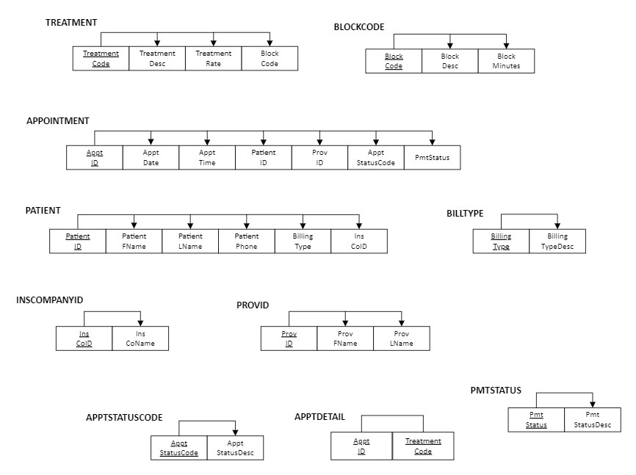

4a. | Relational Schema

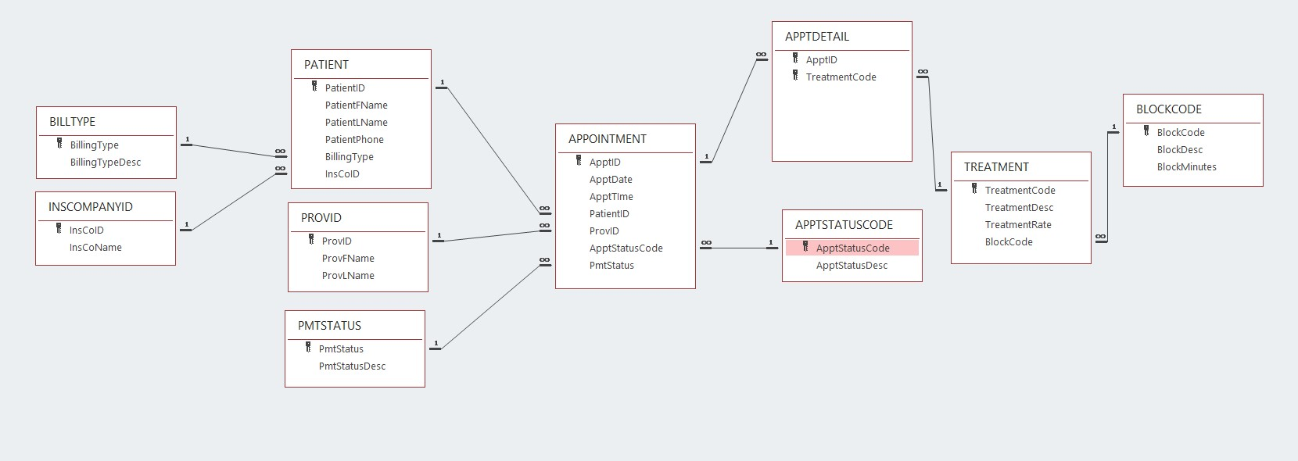

4b.

